Sheet1
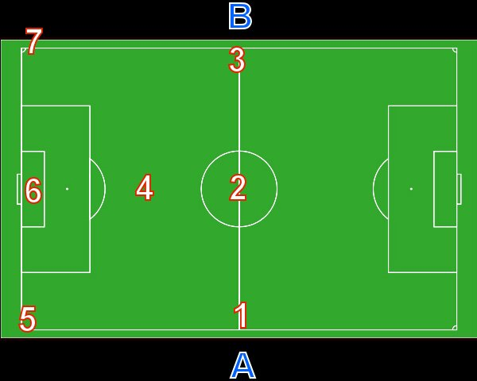
Soccer field time delays
User-input fields in yellow

Speed of Sound | 340 | m/s
Frame rate | 50 | fps
Half-length | 52.5 | m
Half-width | 34 | m
Near Mic | A | 10 | m
Far Mic | B | 10 | m

 |  | Rel to A (Main Cam) |  | Rel to A-2 (Centre)
Delays |  | ms | frames | SPL (dB)
Near Midpoint | A-1 | -29 | -0.6 | 12.9
Centre | A-2 | -129 | -2.6 | 0.0
Far Midpoint | A-3 | -229 | -4.6 | -5.0
Half Midpoint | A-4 | -151 | -3.0 | -1.3
Near Corner | A-5 | -157 | -3.1 | -1.7
Goal Area | A-6 | -201 | -4.0 | -3.8
Far Corner | A-7 | -277 | -5.5 | -6.6

